Sheet1
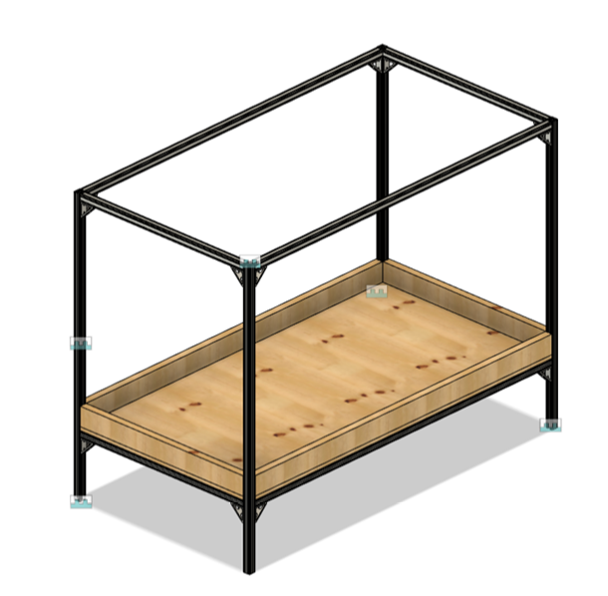
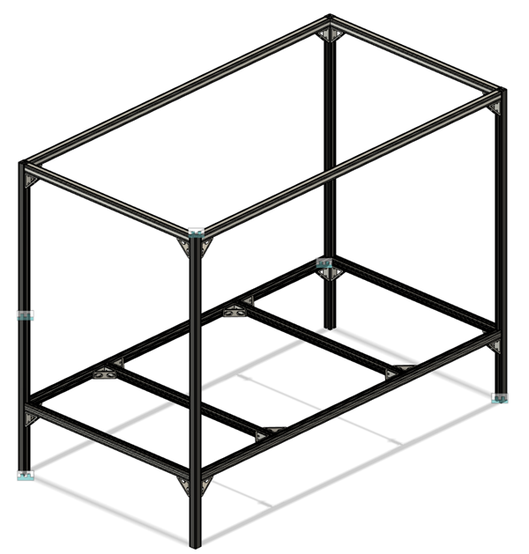
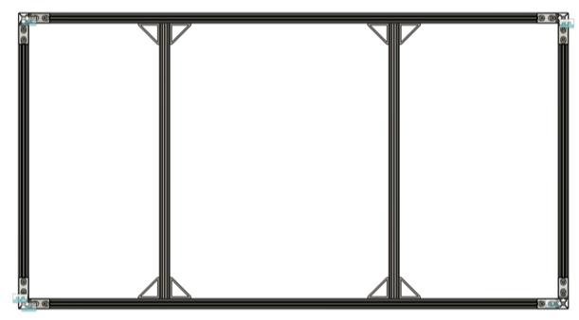
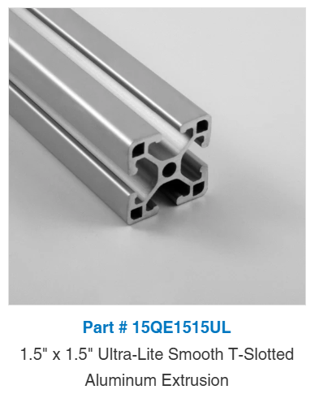
 | QTY | LENGTH EACH (IN) | LENGTH TOTAL (IN) | PART # | PRICE PER FT (EMAIL) | TOTAL COST | FAZTEK | All 15 Series – Faz-Store
EXTRUSION | 4 | 75 | 300 | 15QE1515UL | $0.45 | $135.00 | BED | Amazon.com: RIYDH Bed Tent Bed Canopy Twin Size Tents for Adult and Kids- Original Design Portable Dream Tent Indoor Sleeping Tents 93% Blackout with 3 Doors Breathable Big Space Tents : Home & Kitchen
EXTRUSION | 6 | 39 | 234 | 15QE1515UL | $0.45 | $105.30
EXTRUSION | 4 | 61.75 | 247 | 15QE1515UL | $0.45 | $111.15 | NOTE: FAZTEK EXTRUSION ORDER THRU EMAIL: $.45 PER INCH ORDER ONLINE: $.51 PER INCH
JOINTS | 24 | PROVIDED BY JEFF |  |  |  | $-
BOLTS | 48 | PROVIDED BY JEFF |  |  |  | $-
BED | 1 |  |  |  |  | $80.00
PLYWOOD | 1 | 8' X 4' |  |  |  | $65.65
 |  |  |  |  | TOTAL | $497.10

